BUDGET
| CREATION GRANT BUDGET

A WORD ON COMPLETING YOUR BUDGET PROPOSAL
1. Fill out Column D with all your costs related to creating your work, culminating in a scaled-down presentation of your created work (as described in the Guidelines). 2. The first step in preparing a good budget is to identify your project’s needs and understand how much they would cost. We encourage you to work out a realistic budget that demonstrates your understanding of costs and needs. An unrealistic, over-inflated budget will not necessarily guarantee more funding, and may have the counter-productive effect of casting doubt on the soundness of your overall proposal. 3. This budget form has also been designed to allow you greater flexibility in developing new ideas and projects. To supplement the summary of your cost and income items, you are encouraged to provide details on how you reached your projected figures in the "remarks" column. 4. To help you in working out your project budget, we have included a reference sheet containing the common supportable expenditure items for the activities your project may comprise. If you have other budget items not reflected in the reference sheet, feel free to indicate them under the appropriate heading. 5. Upon completion of your budget sheet, please upload the completed budget proposal to the Supporting Documents section of the Budget Details page. 6. When your project has completed, you will be required to update this spreadsheet by updating the "Actual (SGD)" column with your actual expenditure. The "Variance (%)" column is auto-calculated and will reflect the percentage difference between your Proposed and Actual expenditure. Please indicate under the "Remarks" column reasons for the variance.Expenditure categories should align with those indicated in the submitted budget at point of application.
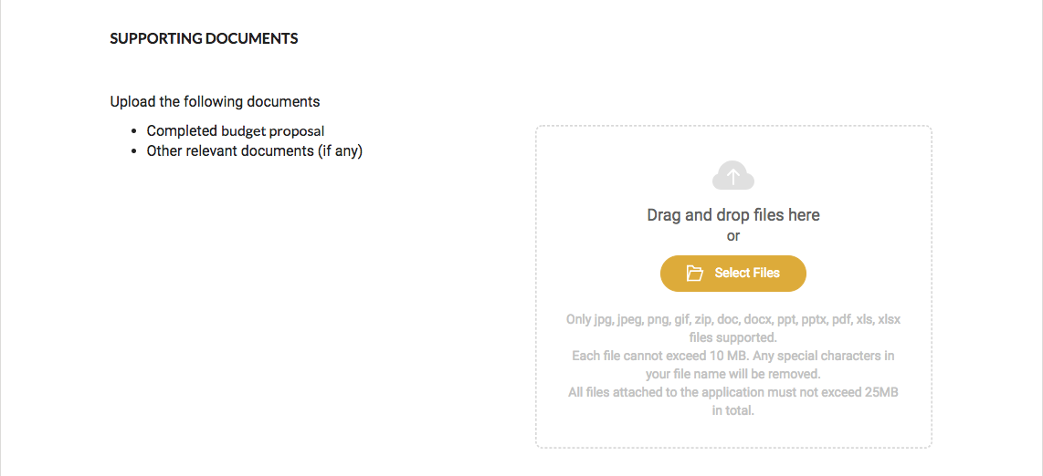
1. BUDGET DETAILS
Title of Project

2. PROJECTED EXPENDITURE
Expenditure |  | Projected (SGD) | Actual (SGD) | Variance (%) | Remarks
Creators' Professional Fees Show a summary of the fees and wages of people (yourself included) contributing to your project. Please insert rows for additional line items if necessary.
Artistic Personnel (e.g. artist fees, editors, dramaturgs, writers, consultants etc)
1 |  | $- | $- | #DIV/0!
2 |  | $- | $- | #DIV/0!
3 |  | $- | $- | #DIV/0!
4 |  | $- | $- | #DIV/0!
5 |  | $- | $- | #DIV/0!
Administrative Personnel (e.g. art administrators, event manager etc)
1 |  | $- | $- | #DIV/0!
2 |  | $- | $- | #DIV/0!
3 |  | $- | $- | #DIV/0!
4 |  | $- | $- | #DIV/0!
5 |  | $- | $- | #DIV/0!
Technical, Production and Design Personnel (e.g. lighting designer, sound designer, technical crew etc)
1 |  | $- | $- | #DIV/0!
2 |  | $- | $- | #DIV/0!
3 |  | $- | $- | #DIV/0!
4 |  | $- | $- | #DIV/0!
5 |  | $- | $- | #DIV/0!
Research and Development Costs Show a summary of your research costs for your project or activity. These can include courses and residencies you attend to enable you to complete your project. Please insert rows for additional line items if necessary and include the number of pax per line item for travel related costs in the remarks column.
e.g. residencies, courses, workshops, data gathering, documentation etc
1 |  | $- | $- | #DIV/0! | e.g., accommodation, ground transport for 2 pax
2 |  | $- | $- | #DIV/0!
3 |  | $- | $- | #DIV/0!
4 |  | $- | $- | #DIV/0!
5 |  | $- | $- | #DIV/0!
Mini Showcase Show a summary of the material costs for your project or activity. Please insert rows for additional line items if necessary.
e.g. venue rental, technical requirements, publication, installation etc
1 |  | $- | $- | #DIV/0!
2 |  | $- | $- | #DIV/0!
3 |  | $- | $- | #DIV/0!
4 |  | $- | $- | #DIV/0!
5 |  | $- | $- | #DIV/0!
Others Include any other spending for your project that is not included elsewhere. This could include the costs of engaging an accountant to certify your statement of accounts. Please insert rows for addtitional line items if necessary.
1 | Certification / Audit Cost (If any) | $- | $- | #DIV/0!
2 |  | $- | $- | #DIV/0!
3 |  | $- | $- | #DIV/0!
TOTAL EXPENDITURE |  | $- | $- | #DIV/0!

3. PROJECTED INCOME
Income |  | Amount |  | Variance (%) | Remarks
 |  | Projected (SGD) | Actual (SGD)
Earned Income Include any income earned and provide a breakdown of how the projected estimate is derived in the remarks column
1 | Sales | $- | $- | #DIV/0! | e.g. $X from ticket sales, $X from sale of publications
2 | Other Income | $- | $- | #DIV/0!
Raised Income Include a summary of funds raised through the following channels, and provide details in the remarks column.
1 | Other Grants | $- | $- | #DIV/0! | e.g. other government grants etc.
2 | Donations | $- | $- | #DIV/0!
3 | Direct Sponsorships | $- | $- | #DIV/0!
4 | In-kind Sponsorships | $- | $- | #DIV/0!
TOTAL INCOME |  | $- | $- | #DIV/0!

SURPLUS / DEFICIT |  | $- | $- | #DIV/0!
Please make additional copies if required, and keep a copy of the completed form for your own record.

In submitting this document, I acknowledge that NAC may request for receipts/proof of expenditure when required, and undertake to retain these documents for up to three months from the date of submission.

 | (SECTION BELOW TO BE FILLED BY ACCOUNTANT*, IF APPLICABLE, AT GRANTS CLOSURE)
 | Actual expenditure certified to be correct.
 | Signature of Accountant: |  |  | Date:

 | Name of Accountant: |  |  | ISCA/ ACRA Membership ID:

 | Designation/ Company: |  |  | Company Stamp (if applicable) :

 | *Please refer to the Letter of Offer on the certification requirement as indicated, if any.
 | Grants $10,000 and above (but below $100,000) will require the Statement of Accounts to be certified by an accountant registered with the Institute of Singapore Chartered Accountants (ISCA) or equivalent international body.

Last updated 28 Oct 2021

